1. Title Page
[Grocery Basket Analysis]

Project Name: Instacard Grocery Basket Analysis
Date: 7/29/2023
Analyst Name: Micky Smith

Contents:
Population Flow
Consistency checks
Wrangling steps
Column derivations
Visualizations
Recommendations

Data:
“The Instacart Online Grocery Shopping Dataset 2017”, Accessed from www.instacart.com/datasets/grocery-shopping-2017 via Kaggle on July 29th, 2023.

2. Population Flow
Title page

Population flow

Exclusion flag
Condition: max_order < 5
Obervations to be removed: 1,440,295
Final total count of order_products_all: 30,964,564

Orders_products_combined
Orders_products_merged
Orders_products_all

Total: 32,434,489
Total: 32,404,859
Total: 32,404,859

1.) The grey boxes in the first row of the population flow represent the original data sets as they were when you downloaded them. In the Total fields you need to add the count of the rows when you imported the data set into Jupyter.
2.) The second row of boxes (coloured) represents the data sets after you manipulated them, e.g., removed missing values and duplicates. In the Total fields you need to add the count of the rows after conducting these operations. This offers a visual oveview of how the data flows throughout the data consistency checks.
3.) The third row, where also the arrows are coloured, represents the merges you performed between the datasets. In the Total fields you need to add the count of the rows in the merged datasets, so that you end up with the final dataset (in the red box). Keep in mind the final dataset should be without exclusions (based on the exclusion flag).

3. Consistency checks
 |  |  |  | Title page
Consistency checks

Dataset | Missing values | Missing values treatment | Duplicates
orders | 206,209 missing values in days_since_last_order. | Kept the values after confirming they were first time customer's so they wouldn't have a previous order. | No duplicates
products | 16 missing values in 'product_name' | Removed the missing values by creating a new dataframe | Removed 5 duplicate rows in the dataframe
orders_products_prior | No missing values | no missing values | No duplicates
customers | first_name column had missing values. | Originally did nothing, but because of of GDPR requirements, we removed this column in the final dataframe. | No duplicates

4. Wrangling steps
 |  |  |  | Title page
Wrangling steps

Columns dropped | Columns renamed | Columns' type changed | Comment/Reason
eval_set' from orders.csv |  |  | Not needed for analysis
first_name on final dataframe |  |  | To meet GDPR requirements
last_name on final dataframe |  |  | To meet GDPR requirements
 | order_dow' renamed to 'orders_day_of_week' on orders.csv |  | Make the column name less ambiguous
 | days_since_prior_order' renamed to 'days_since_last_order' |  | Make the column name less ambiguous
 | Surnam' renamed to 'last_name' on customers.csv
 | STATE renamed to state in customers.csv |  | Made column uniform with other columns in the dataframe
 | Gender renamed to gender in customers.csv |  | Made column uniform with other columns in the dataframe
 | Age renamed to age in customers.csv |  | Made column uniform with other columns in the dataframe
 |  | Changed 'order_id' to str on orders.csv | Changed from integer, since the variable doesn't need to be measures
 |  | Changed 'user_id' to str on orders.csv | Changed from integer, since the variable doesn't need to be measures

5. Column derivations
 |  |  |  | Title page

Column derivations and aggregations

In this tab you should add tables below that the frequences of flags/label variables that you produced after deriving them. NB: don't do this for continuous variables, only for flags.
Dataset | New column | Column/s it was derived from | Conditions
orders_products | price_range_loc | prices | prices <= 5 are 'Low-range products' prices >5 and <= 15 are 'Mid-range products' prices >15 are 'High-range products'

orders_products | busiest_day | order_day_of_week | Saturday was 'Busiest day' Wednesday was 'Least busy' All other days were 'Regularly busy'

orders_products | busiest_days | order_day_of_week | Saturday and Sunday were 'Busiest days' Wednesday and Tuesday were 'Least busy' All other days were 'Regularly busy'

orders_products | busiest_period_of_day | order_time_of_day | The 8 hours with most orders were 'Most orders' The 8 hours with least orders were 'Least orders' The other 8 hours were 'Average orders'

orders_products | loyalty_flag | max_order | Customers with max orders >40 were 'Loyal customers' Customers with max orders >10 and <=40 were 'Regular customers' Customers with max orders <10 were 'New customers'

orders_products | spending_flag | mean_prices | Customers with mean prcies >10 were 'High spenders' Customers with mean prcies <10 were 'Low spenders'

orders_products | order_freq_flag | median_days_prior_order | Customers with median days >20 were 'Non-frequent customers' Customers with median days > 10 and <=20 were 'Regular customers' Customers with median days <= 10 were 'Frequent customers'

cust_ords_prods | region | State | Northeast Midwest South West

cust_ords_prods | age_group | Age | Age >= 65 were 'Senior Adults' Age < 65 and >= 35 were 'Middle Age' Age < 35 were 'Young Adults'

cust_ords_prods | income_group | Income | Income >= 125000 were 'High Income' Income < 125000 and >= 70000 were 'Middle Income' Income < 70000 were 'Lower Income'

cust_ords_prods | dependents | num_of_dependants | num_of_dependants = 0 were 'No depdendents' num_of_dependants >=1 were 'Has dependents'

6. Visualizations
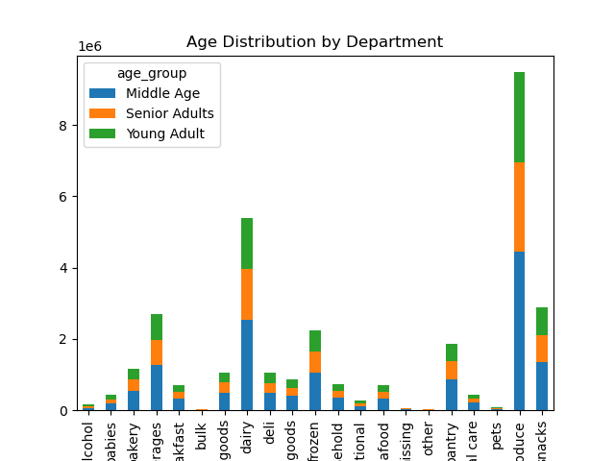
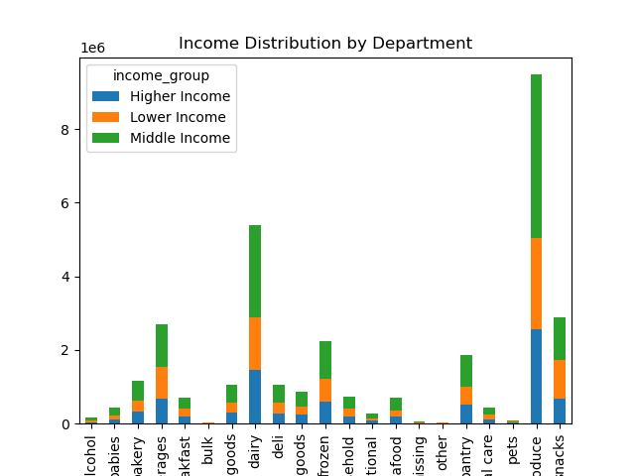
 |  |  |  | Title page

Visualisations

In this tab you should include all the visualtions from Exercises 4.9 and 4.10, alongside the questions from the project brief that they answer. Include any commentary on the relationship between different variables.

1. What are the busiest days of the week?


 |  | Busiest Days of the Week
 |  |  | x axis:
 |  |  | 0 = Saturday
 |  |  | 1 = Sunday
 |  |  | 2 = Monday
 |  |  | 3 = Tuesday
 |  |  | 4 = Wednesday
 |  |  | 5 = Thursday
 |  |  | 6 = Friday

 |  |  | y axis:
 |  |  | Total number of orders

 |  |  | Observation:
 |  |  | The busiest days of the week are Saturday and Sunday.
 |  |  | The least busy days are Tuesday and Wednesday

2. What are the busiest hours of the day?


 |  | Busiest Hours of the Day

 |  |  | Observation:
 |  |  | Most orders occur during the middle of the day.
 |  |  | The number of orders start increasing after 7am and then they peak between 9am and 5pm.
 |  |  | They start to decrease after 5pm.
 |  |  | The lowest number of orders occurs in the middle of the night between midnight and 5am.

3. Are there any particular times of the day when people spend the most money?


 |  |  | Observation:
 |  |  | The most money is spent betwene 3 and 5am.
 |  |  | The least money is spend between 8 and 11am.

4.Which departments have the highest frequency of product orders?
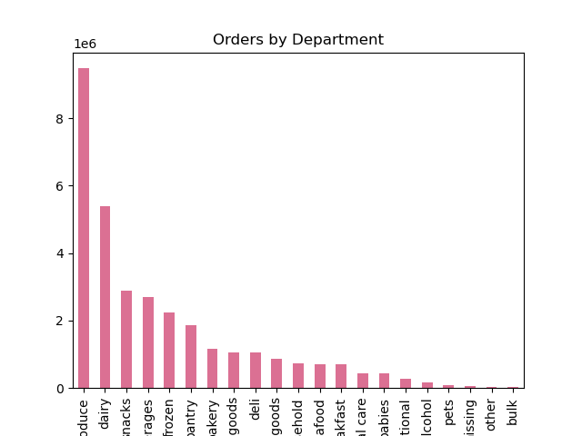

 |  |  | Observation:
 |  |  | Produce, dairy, and snack departments have the highest frequency of order.

5. What's the distribution among users in regards to their loyalty to Instacart?


 |  |  | Observation:
 |  |  | The majority of orderst occur in regular customers.
 |  |  | Next is loyal customers
 |  |  | and least occur in new customers.

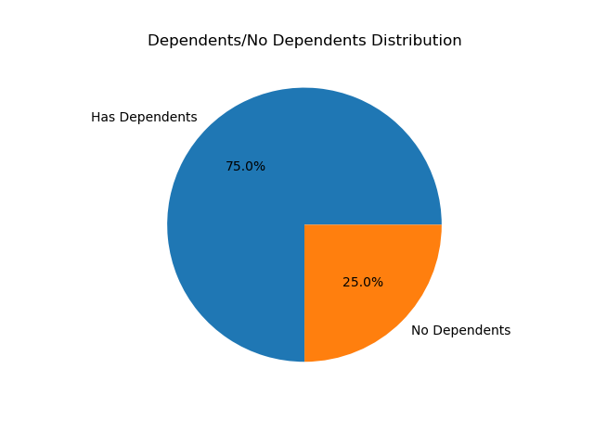
6. What's our customer base by age, income, and do they have dependents?
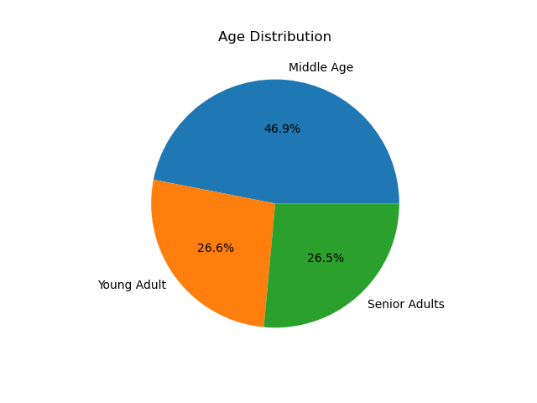
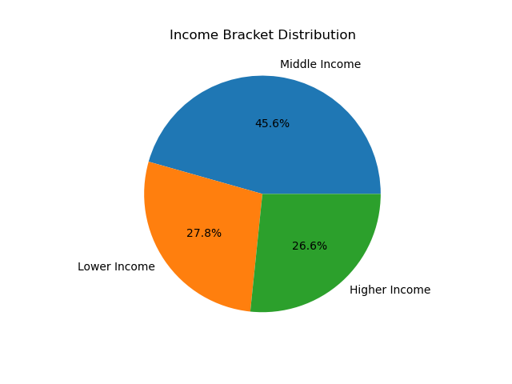

 | Observation:
 | Most customer's are middle age, then young adults, and last senior adults.
 | Middle income makes up 45.6% of all customers, with lower income making up 27.8%, and higher income making up 26.6%.
 | And 75% of the customer base has dependents, while 25% do not.

7. What's the age group of our customer base by region?
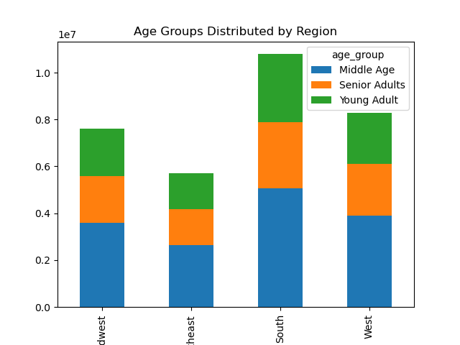

 |  |  | Observation:
 |  |  | South has the most customer's across age groups.
 |  |  | West has the second most.
 |  |  | Southeast has the least amount of customers.

8. What's the income group of our customer base by region?
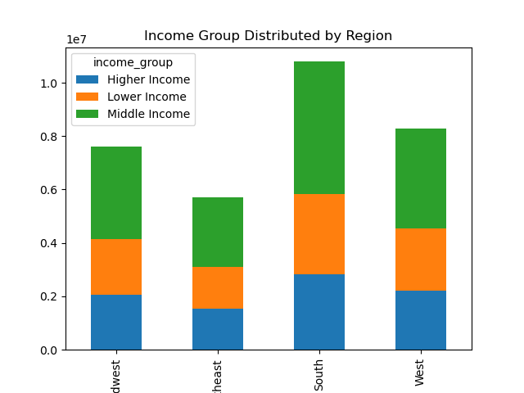

 |  |  | Observation:
 |  |  | This graph further proves that middle income customer's make up the most of each reasons customers.

9. What percentage of customer's have dependents by region?
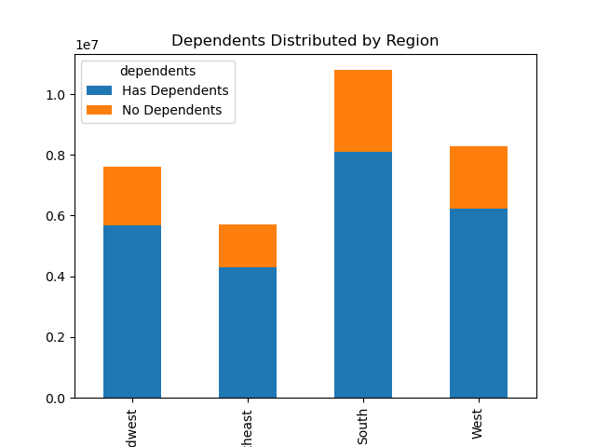

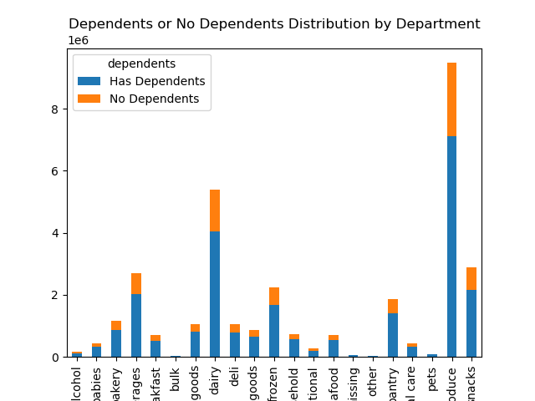
10. What differences can be found by departments using customer profiles?

7. Recommendations
 | Title page

Recommendations

In this tab you should include any recommendations you would made to Instcart in terms of their marketing strategy based on the questions posed in the brief. Every key question has been covered in the Tasks of the Exercises - here you need to add an item - a visualisation or table/crosstable that is showing the answer in the data, acompanied by a comment from you. Please, list the questions below and add the answer underneath.

Question
1. What are the busiest days of the week?

Answer: Busiest days are Saturday and Sunday, while the least busy days are Wednesday and Tuesday.

Recommendation: Utilize advertising during the week to catch more customer's eye during the less busy days. Also, provide offers during the week to attract more business.

2. What are the busiest hours of the day?

Answer: Most orders occur during the middle of the day. The number of orders start increasing after 7am and then they peak between 9am and 5pm. They start to decrease after 5pm. The lowest number of orders occurs in the middle of the night between midnight and 5am.

Recommendation: Offer discounts and incentives that are exclusive to non-peak time hours.

3. Are there any particular times of the day when people spend the most money?

Answer: The most money is spent between 3 and 5am. The least money is spent between 8 and 11am.

Recommendation: Have deals on high range items during 8 and 11am to encourage the lower spenders to spend more money.

4. Instacart has a lot of products with different price tags. Marketing and sales want to use simpler price range groupings to help direct their efforts.

Created a new column with different price ranges: Low-range, Mid-range and High-range products.
Low-range products - $5 and below
Mid-range products - higher than $5 but less than or equal to $15
High-range products - higher than $15

5. Which departments have the highest frequency of product orders?

Answer: Produce, dairy and snack departments have the highest frequency of order. Bulk, other, and pets have the lowest frequency of order.

Recommendation: Gear advertisements towards higher selling items. Create offers and deals to buy multiple items of the lower selling items to increase their order frequency.

6. What’s the distribution among users in regards to their brand loyalty (i.e., how often do they return to Instacart)?

Answer: The most customers are regular customers, then loyal customers and then new customers.

Recommendation: Introduce a loyalty program with points to encourage regular customers and new customers to start ordering more frequently.

7. Are there differences in ordering habits based on a customer’s loyalty status?

Answer: Loyal customers are the most frequent (more recently returned to the shop), followed by regular customers and new customers.

Recommendation: Introduce a loyalty program with points to encourage regular customers and new customers to start ordering more frequently.

8. Are there differences in ordering habits based on a customer’s region?
Answer: The order of regions which order the most are: 1. South, 2. West, 3. Midwest, 4. Northeast.

Recommendation: Increase tailered advertisements in the Northeast and Midwest to increase the number of customers in these regions.

9. Is there a connection between age and family status in terms of ordering habits?

Answer: Most orders occur in Middle Aged people. Young Adults and Senior Adults have a simialr number of orders. Most orders also occur in married people and occur the least in individuals living with parents and siblings, divorced/widowed and single people.

Recommendation: Increase advertisements geared towards products that might be more targetted to the lower ordering demographics.

10. What different classifications does the demographic information suggest? Age? Income? Certain types of goods? Family status?

Answer: The largest proportion of the customer demographic are Middle Age people, with a Middle Income and who have dependents.

Recommendation: Increase marketing strategies focused at this demographic as this seems to be the largest customer demographic.

11. What differences can you find in ordering habits of different customer profiles? Consider the price of orders, the frequency of orders, the products customers are ordering, and anything else you can think of.

Age: Middle age group orders the most across all different departments and in all regions.

Income: Middle income groups orders the most across all different departments and in all regions.

Dependents: Users with dependents order the most across all different departments and in all regions.

Recommendation: Increase marketing strategies focused at these demographics as this seems to be the largest customer base.

